Fig. S1
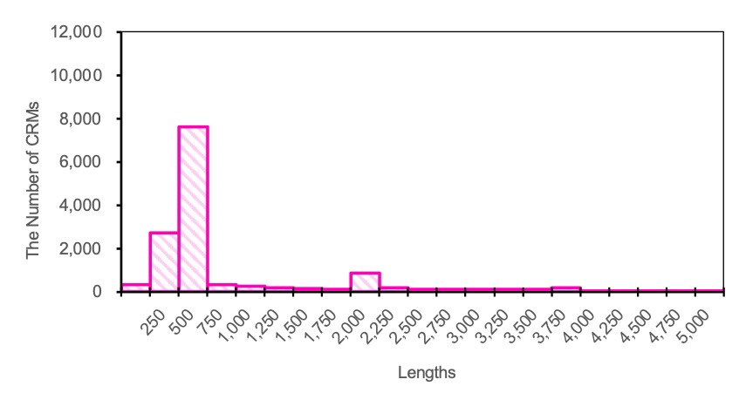
a) The length distribution of all CRMs considered in this study
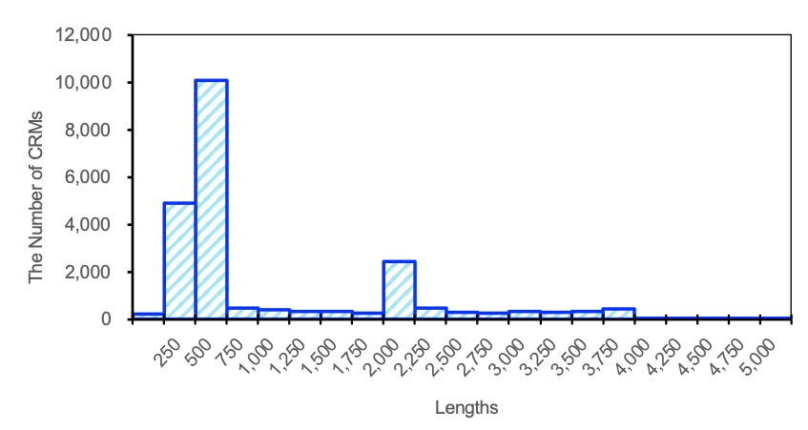

b) The length distribution of CRMs involved in the confident CRM interaction pairs
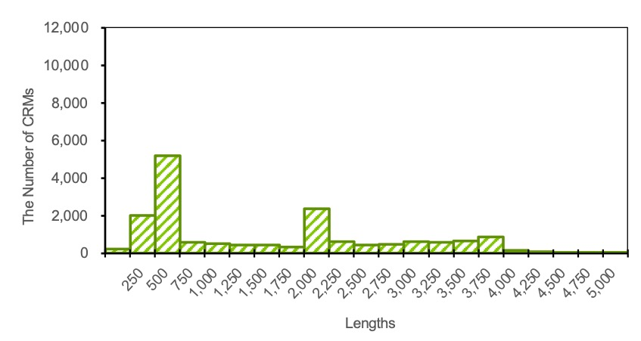

c) The length distribution of CRMs involved in the confident CRM non-interacting pairs

Fig. S2
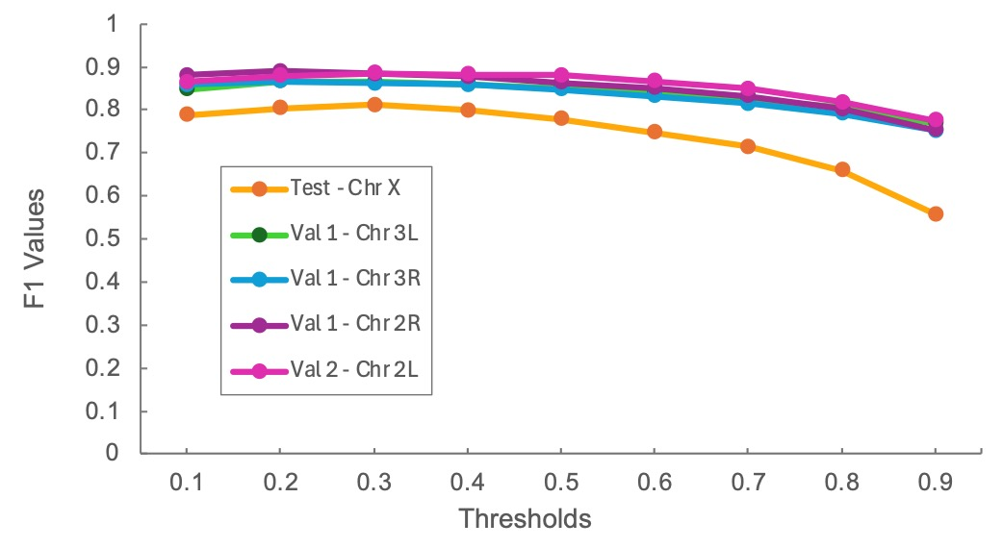
The F1 values across different prediction thresholds for different chromosomes

Fig. S3
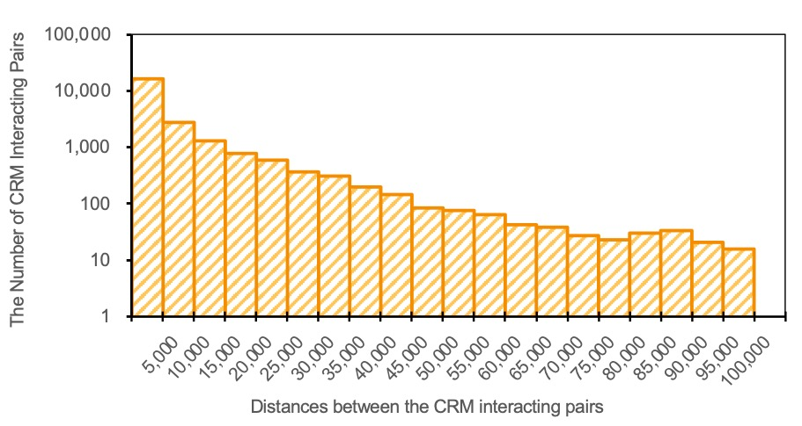
The distribution of the distances between interacting CRMs.

